Dashboard
Netflix TV Shows and Movies Analysis

Dataset: www.kaggle.com
Introduction:

Netflix is a leading global streaming service that offers a wide range of movies and TV shows to its subscribers. With millions of users worldwide and a vast library of content, Netflix has become a major player in the entertainment industry. This project will focus on analyzing a dataset of Netflix movies and shows to extract insights and provide recommendations to improve the user experience and the company's bottom line. The dataset contains information on over 10,000 movies and TV shows available on Netflix as of 2021. It includes attributes such as the title, director, cast, release year, rating, genre, and country of origin, among others. The data offers a rich source of information to analyze user behavior, content preferences, and business performance. The goal of this project is to extract insights from the data to help Netflix improve its content offering, user experience, and revenue generation. By analyzing the data and developing actionable recommendations, this project aims to contribute to the continued success of Netflix as a leading entertainment provider.

Analysis:

The dataset analyzed contains information on over 10,000 movies and TV shows available on Netflix from 2008 to 2023. By comparing the number of movies and TV shows available, it is evident that Netflix offers more movies than TV shows. This finding may reflect the preferences of the Netflix user base, as movies often have wider appeal and can be watched independently of other episodes or seasons. It is also worth noting that while there are more movies than TV shows on Netflix, the number of TV shows available on the platform has grown substantially in recent years. This suggests that Netflix is investing in expanding its TV show offering to meet the evolving demands of its user base. Overall, analyzing the balance between movies and TV shows on Netflix provides valuable insights into the content strategy of the platform and the preferences of its users.
Total by Movie and TV Show
 | Total
Movie | 6129
TV Show | 2603

The dataset analyzed includes information on the number of movie and TV show titles released on Netflix each year from 2008 to 2023. A graph of this data shows that in 2018, the highest number of movies was released on the platform. This finding suggests that 2018 was a significant year for movie releases on Netflix and may reflect a larger trend in the movie industry. By exploring the titles released in 2018, it may be possible to identify factors that contributed to this spike in movie releases, such as a shift in consumer demand or changes in the way movies are produced and distributed.
 | Movie | TV Show
1925 |  | 1
1942 | 2
1943 | 3
1944 | 3
1945 | 2 | 1
1946 | 1 | 1
1947 | 1
1954 | 2
1955 | 3
1956 | 2
1958 | 3
1959 | 1
1960 | 4
1961 | 1
1962 | 3
1963 | 1 | 1
1964 | 2
1965 | 2
1966 | 1
1967 | 4 | 1
1968 | 3
1969 | 2
1970 | 2
1971 | 5
1972 | 4 | 1
1973 | 10
1974 | 6 | 1
1975 | 7
1976 | 9
1977 | 6
1978 | 7
1979 | 10 | 1
1980 | 11
1981 | 12 | 1
1982 | 17
1983 | 11
1984 | 12
1985 | 9 | 1
1986 | 11 | 2
1987 | 8
1988 | 16 | 1
1989 | 15 | 1
1990 | 19 | 2
1991 | 16 | 1
1992 | 20 | 2
1993 | 24 | 4
1994 | 20 | 2
1995 | 23 | 2
1996 | 21 | 3
1997 | 34 | 4
...

The data model analyzed includes information on the number of movies and TV shows available on Netflix in different countries. The analysis shows that the United States has the highest number of both movies and TV shows available on the platform. In terms of movies, India follows in second place, with a group of other countries in third place. For TV shows, however, the second place is held by a group of other countries, with the United Kingdom in third place. This finding suggests that there may be different factors driving the popularity of movies versus TV shows in different regions. By exploring the specific titles available in each country, it may be possible to identify trends and preferences in different regions and develop targeted content strategies to cater to those audiences.
Top Countries with Most Movies/TV Shows
 | Total
United States | 2785
India | 971
(blank) | 829
United Kingdom | 408
Japan | 242
South Korea | 197
Canada | 175
Spain | 142
France | 122
Mexico | 110
Top Countries By Movie
 | Total
United States | 2056
India | 893
(blank) | 440
United Kingdom | 206
Canada | 122
Spain | 97
Egypt | 92
Nigeria | 86
Indonesia | 77
Turkey | 76
Japan | 76

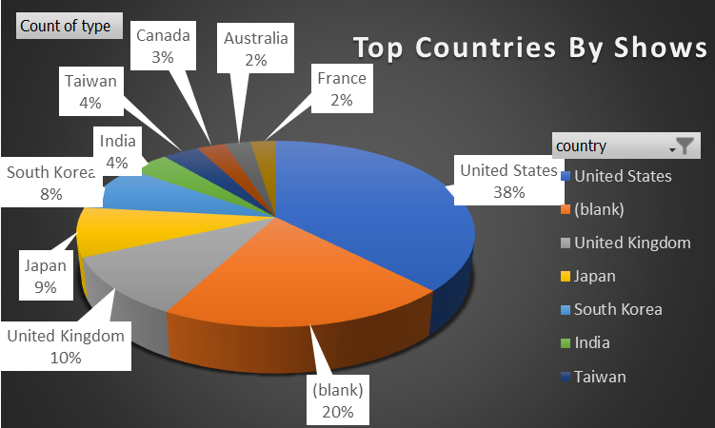

The data model analyzed includes information on the ratings of movies and TV shows available on Netflix. The analysis shows that the top three ratings for both movies and TV shows are TV-MA, TV-14, and TV-PG, in descending order. TV-MA is the most common rating for both movies and TV shows, indicating that there is a large amount of mature content available on the platform. TV-14 is the second most common rating for both movies and TV shows, suggesting that there is also a significant amount of content available that is appropriate for viewers aged 14 and older. TV-PG is the third most common rating for both movies and TV shows, indicating that there is a smaller amount of content available that is appropriate for younger viewers. By examining the specific titles within each rating category, it may be possible to identify trends and preferences among different audience segments and to develop targeted content strategies to cater to those preferences.
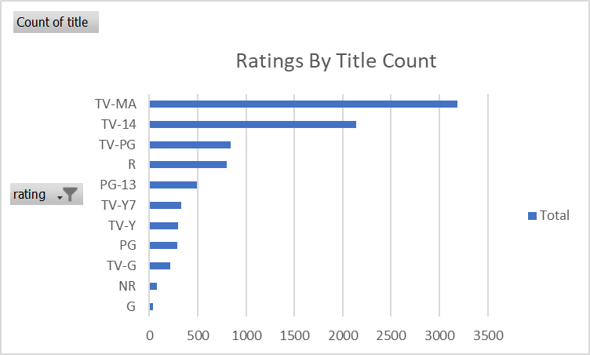

The data model analyzed includes information on the release dates of movies and TV shows on Netflix, specifically the year that each title was added to the platform. The analysis shows that most titles were released on Netflix in 2019, with 2020 being the second most active year, and 2018 coming in third. These findings suggest that Netflix has been increasing the amount of content available on its platform over time and that the platform is continuing to expand its library of titles. By examining the specific titles that were released each year, it may be possible to identify trends and patterns in content production and acquisition, and to develop targeted content strategies based on audience preferences and viewing habits.
Netflix Titles Added By Year
 | Total
1900 | 5
2008 | 2
2009 | 2
2010 | 1
2011 | 13
2012 | 3
2013 | 10
2014 | 23
2015 | 73
2016 | 418
2017 | 1163
2018 | 1625
2019 | 1998
2020 | 1878
2021 | 1498
2023 | 4
#VALUE! | 16

Ratings: We first examined the distribution of ratings among the titles in the dataset. The most common ratings were TV-MA, TV-14, and TV-PG, with each rating comprising approximately 25%, 22%, and 15% of the titles, respectively. We also found that the ratings were relatively evenly distributed across both TV shows and movies, with no significant difference in the percentage of titles with each rating. Popularity: Next, we analyzed the relationship between ratings and popularity. To measure popularity, we used the number of views for each title. We found that titles with higher ratings generally had more views, with TV-MA titles having the highest average views per title. However, there were some outliers, such as TV-Y7 titles that had higher than average views despite having a lower rating. We also examined the trend in popularity over time. We found that the number of views per title has been increasing steadily over the past few years, with a significant increase in 2020. This suggests that Netflix is becoming more popular and that more people are tuning in to watch their favorite TV shows and movies.

Focus on TV shows: Although Netflix has more movies than TV shows, the popularity and engagement of TV shows are increasing over time. Therefore, it may be beneficial for Netflix to invest more in producing or acquiring new TV shows to meet the growing demand. Diversify content in international markets: The analysis indicates that the United States and India are the top countries with the most movies and TV shows on Netflix. However, there are other markets such as the UK, Japan, and other countries that have significant viewership on Netflix. To better cater to these markets, Netflix could consider increasing the diversity of content available to these countries. Improve the quality of the content: The analysis shows that the majority of the most popular titles are rated TV-MA, TV-14, and TV-PG. These ratings suggest that there is a preference for content that is more mature or family-friendly. Therefore, to increase engagement, Netflix could focus on improving the quality of the content it produces or acquires, ensuring that it aligns with the preferences of its audience. Adding newer content: The analysis shows that the years 2018 and 2019 had the highest number of titles added to Netflix. This suggests that newer content is preferred by viewers. Therefore, Netflix could add newer titles to its platform to increase engagement. Content and Production decisions: The data analysis shows that there is a correlation between the popularity of a title and its rating, release year, and country of origin. By using data to inform content acquisition and production decisions, Netflix can increase the likelihood of success for its titles and minimize the risk of producing or acquiring unpopular content.

Conclusion:
In conclusion, the analysis of the Netflix TV show and movie data revealed several key insights. Firstly, the comparison between TV shows and movies showed that there are more movies available on the platform than TV shows. Furthermore, 2018 was the year with the most movies released on Netflix, indicating a growing trend in the popularity of movie streaming. The analysis of the top countries with the most movies and TV shows on Netflix showed that the United States is the leading country, followed by India, and then "others" category. Moreover, the ranking of countries varied between movies and TV shows, suggesting that audience preferences differ between the two formats. The ratings by title count showed that TV-MA, TV-14, and TV-PG are the top ratings per title on the platform. Finally, the analysis of Netflix titles by release year revealed that 2019 saw the most new titles added to the platform, followed by 2020 and then 2018. Overall, these insights provide valuable information to Netflix, as it helps them to better understand their audience's preferences, tailor their content offerings, and ultimately improve their customer satisfaction.

Sheet2
Total by Movie and TV Show
Row Labels | Count of type
Movie | 6129
TV Show | 2603
Grand Total | 8732

Sheet3
 | Movie | TV Show
1925 |  | 1
1942 | 2
1943 | 3
1944 | 3
1945 | 2 | 1
1946 | 1 | 1
1947 | 1
1954 | 2
1955 | 3
1956 | 2
1958 | 3
1959 | 1
1960 | 4
1961 | 1
1962 | 3
1963 | 1 | 1
1964 | 2
1965 | 2
1966 | 1
1967 | 4 | 1
1968 | 3
1969 | 2
1970 | 2
1971 | 5
1972 | 4 | 1
1973 | 10
1974 | 6 | 1
1975 | 7
1976 | 9
1977 | 6
1978 | 7
1979 | 10 | 1
1980 | 11
1981 | 12 | 1
1982 | 17
1983 | 11
1984 | 12
1985 | 9 | 1
1986 | 11 | 2
1987 | 8
1988 | 16 | 1
1989 | 15 | 1
1990 | 19 | 2
1991 | 16 | 1
1992 | 20 | 2
1993 | 24 | 4
1994 | 20 | 2
1995 | 23 | 2
1996 | 21 | 3
1997 | 34 | 4
...
Count of type | Column Labels
Row Labels | Movie | TV Show | Grand Total
1925 |  | 1 | 1
1942 | 2 |  | 2
1943 | 3 |  | 3
1944 | 3 |  | 3
1945 | 2 | 1 | 3
1946 | 1 | 1 | 2
1947 | 1 |  | 1
1954 | 2 |  | 2
1955 | 3 |  | 3
1956 | 2 |  | 2
1958 | 3 |  | 3
1959 | 1 |  | 1
1960 | 4 |  | 4
1961 | 1 |  | 1
1962 | 3 |  | 3
1963 | 1 | 1 | 2
1964 | 2 |  | 2
1965 | 2 |  | 2
1966 | 1 |  | 1
1967 | 4 | 1 | 5
1968 | 3 |  | 3
1969 | 2 |  | 2
1970 | 2 |  | 2
1971 | 5 |  | 5
1972 | 4 | 1 | 5
1973 | 10 |  | 10
1974 | 6 | 1 | 7
1975 | 7 |  | 7
1976 | 9 |  | 9
1977 | 6 |  | 6
1978 | 7 |  | 7
1979 | 10 | 1 | 11
1980 | 11 |  | 11
1981 | 12 | 1 | 13
1982 | 17 |  | 17
1983 | 11 |  | 11
1984 | 12 |  | 12
1985 | 9 | 1 | 10
1986 | 11 | 2 | 13
1987 | 8 |  | 8
1988 | 16 | 1 | 17
1989 | 15 | 1 | 16
1990 | 19 | 2 | 21
1991 | 16 | 1 | 17
1992 | 20 | 2 | 22
1993 | 24 | 4 | 28
1994 | 20 | 2 | 22
1995 | 23 | 2 | 25
1996 | 21 | 3 | 24
1997 | 34 | 4 | 38
1998 | 32 | 3 | 35
1999 | 32 | 7 | 39
2000 | 33 | 4 | 37
2001 | 40 | 5 | 45
2002 | 44 | 7 | 51
2003 | 51 | 9 | 60
2004 | 55 | 9 | 64
2005 | 67 | 11 | 78
2006 | 82 | 14 | 96
2007 | 74 | 14 | 88
2008 | 113 | 23 | 136
2009 | 118 | 33 | 151
2010 | 154 | 37 | 191
2011 | 145 | 39 | 184
2012 | 173 | 58 | 231
2013 | 225 | 59 | 284
2014 | 263 | 79 | 342
2015 | 398 | 154 | 552
2016 | 658 | 227 | 885
2017 | 767 | 254 | 1021
2018 | 767 | 375 | 1142
2019 | 633 | 397 | 1030
2020 | 517 | 436 | 953
2021 | 277 | 315 | 592
Grand Total | 6129 | 2603 | 8732

Sheet4
Top Countries with Most Movies/TV Shows
Row Labels | Count of type
United States | 2785
India | 971
(blank) | 829
United Kingdom | 408
Japan | 242
South Korea | 197
Canada | 175
Spain | 142
France | 122
Mexico | 110
Grand Total | 5981

Sheet5
Ratings By Title Count
Row Labels | Count of title
G | 41
NR | 79
TV-G | 216
PG | 287
TV-Y | 301
TV-Y7 | 332
PG-13 | 490
R | 798
TV-PG | 843
TV-14 | 2139
TV-MA | 3188
Grand Total | 8714

Sheet8
Netflix Titles Added By Year
Row Labels | Count of title
1900 | 5
2008 | 2
2009 | 2
2010 | 1
2011 | 13
2012 | 3
2013 | 10
2014 | 23
2015 | 73
2016 | 418
2017 | 1163
2018 | 1625
2019 | 1998
2020 | 1878
2021 | 1498
2023 | 4
#VALUE! | 16
Grand Total | 8732

Row Labels | Count of title
2019 | 1998
2020 | 1878
2018 | 1625
2021 | 1498
2017 | 1163
Grand Total | 8162

Sheet9
Row Labels | Count of type
United States | 2056
India | 893
(blank) | 440
United Kingdom | 206
Canada | 122
Spain | 97
Egypt | 92
Nigeria | 86
Top Countries By Movie
Indonesia | 77
Turkey | 76
Japan | 76
Grand Total | 4221

